Base Station data
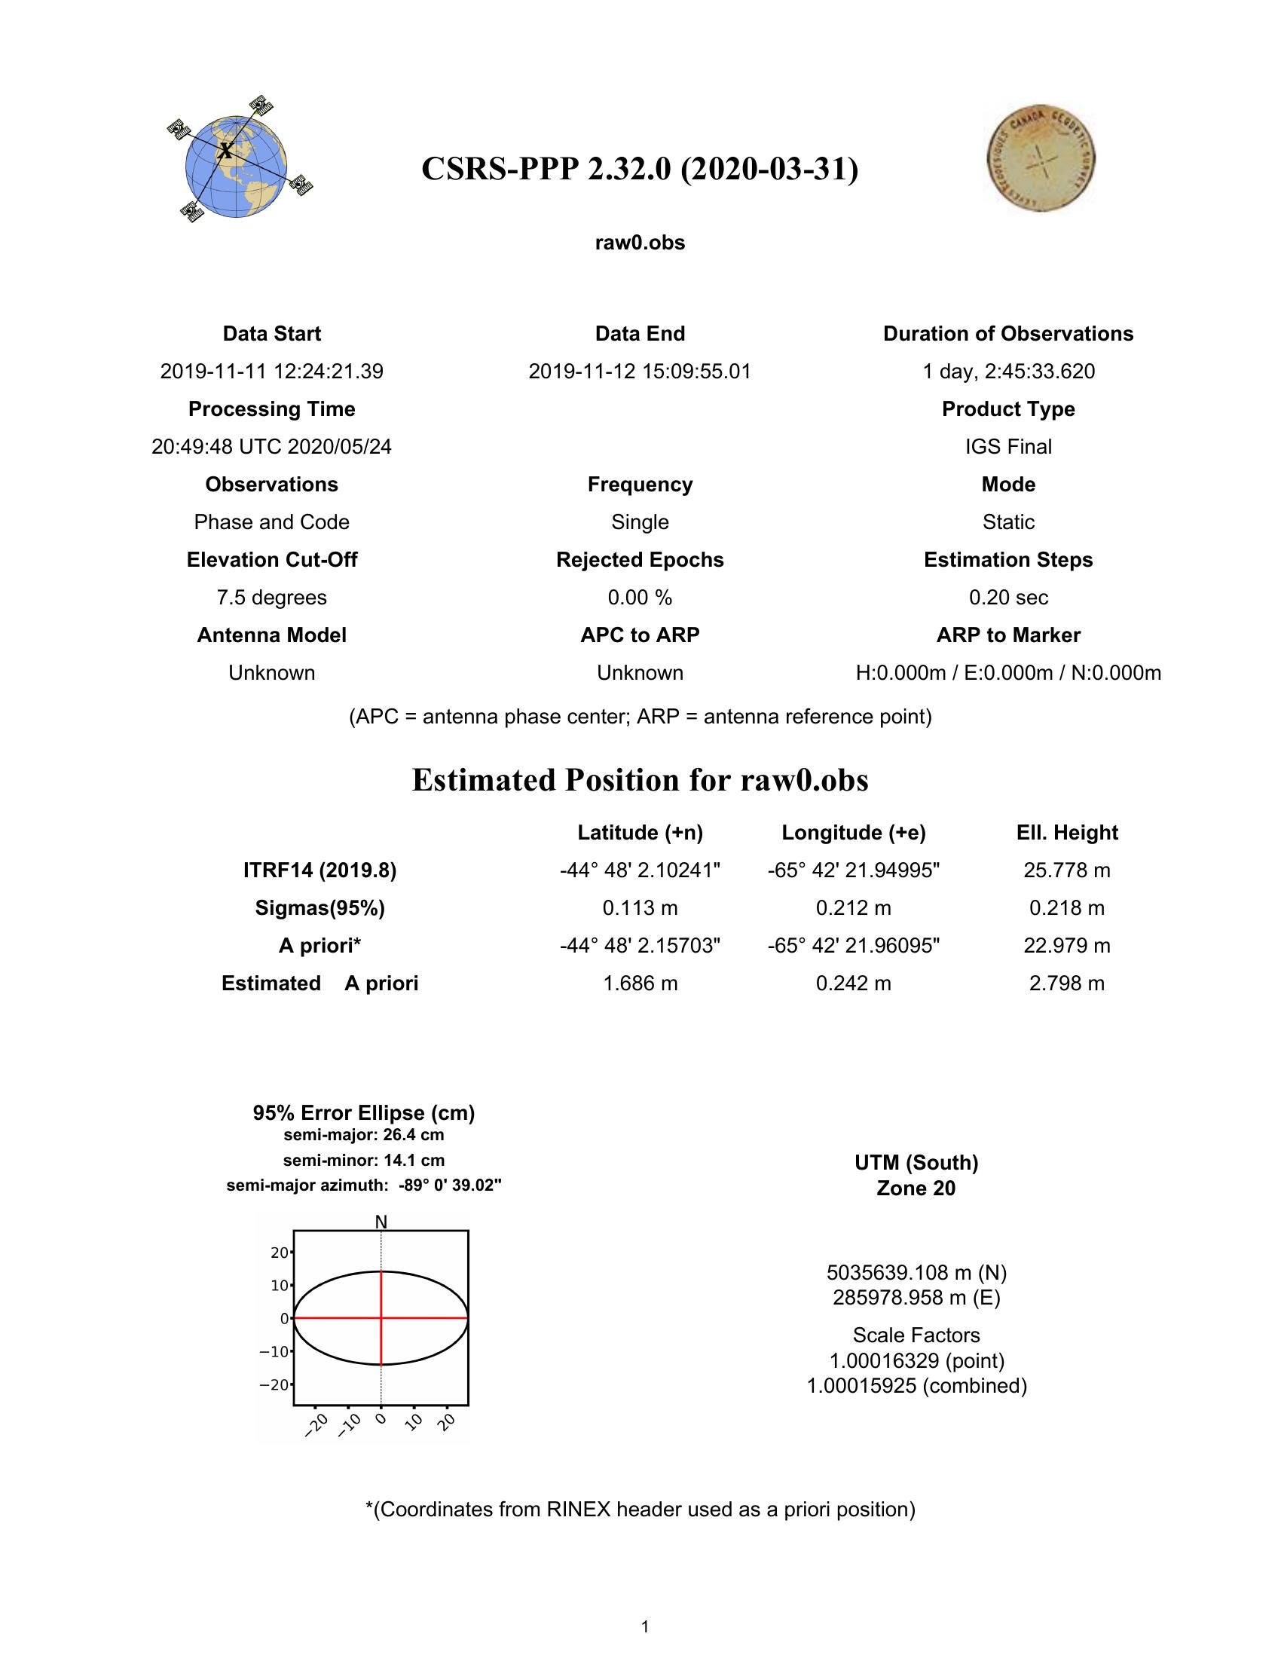
Base Station data: Camarones temporary base 11-12 November 2012

